LDSTDF
LIC MF SHORT DURATION FUND |  |  |  |  | Index

Half yearly portfolio statement as on March 31, 2026
Name of the instrument | ISIN | Industry/ rating | Quantity | Market/ fair value (Rounded, Rs. in Lakhs) | Rounded, % to net assets | Yield

Debt Instruments
(a)Listed / Awaiting listing on stock Exchanges
7.02% Government of India | IN0020240076 | SOVEREIGN | 3,500,000.000 | 3,587.10 | 19.03% | 7.02%
7.7% National Highways Authority of India ** | INE906B07HH5 | CRISIL AAA | 150.000 | 1,576.44 | 8.37% | 7.38%
7.65% GIC Housing Finance Ltd. ** | INE289B07123 | CRISIL AA+ | 1,500.000 | 1,532.89 | 8.13% | 8.15%
7.4% Bharti Telecom Ltd. ** | INE403D08298 | CRISIL AAA | 1,500.000 | 1,493.47 | 7.92% | 8.05%
6.78% State Government of Maharashtra | IN2220210073 | SOVEREIGN | 1,450,000.000 | 1,450.21 | 7.70% | 7.47%
8.1% Aditya Birla Housing Finance Ltd. ** | INE831R07359 | ICRA AAA | 1,000.000 | 1,080.77 | 5.73% | 7.80%
8.95% 360 One Prime Ltd. ** | INE248U07FW5 | ICRA AA | 1,000.000 | 1,072.93 | 5.69% | 8.93%
6.61% Power Finance Corporation Ltd. ** | INE134E08NS1 | CRISIL AAA | 1,000.000 | 1,038.53 | 5.51% | 7.51%
7.34% Small Industries Development Bk of India ** | INE556F08KS8 | CRISIL AAA | 1,000.000 | 1,032.41 | 5.48% | 7.54%
7.37% Indian Railway Finance Corporation Ltd. ** | INE053F08411 | CRISIL AAA | 500.000 | 533.53 | 2.83% | 7.52%
6.8% NHPC Ltd. ** | INE848E07BK0 | CARE AAA | 250.000 | 529.31 | 2.81% | 7.30%
9.18% Nuclear Power Corporation ** | INE206D08204 | CRISIL AAA | 50.000 | 524.24 | 2.78% | 7.42%
8.14% Nuclear Power Corporation ** | INE206D08303 | CRISIL AAA | 50.000 | 514.35 | 2.73% | 7.48%
8.13% Nuclear Power Corporation ** | INE206D08378 | CRISIL AAA | 50.000 | 507.85 | 2.69% | 7.43%
Government of India | IN000430C032 | SOVEREIGN | 41,400.000 | 31.25 | 0.17% | 7.31%
Sub Total |  |  |  | 16,505.28 | 87.57%

(b)Privately Placed/Unlisted
Sub Total |  |  |  | NIL | NIL

(c)Securitised Debt Instruments
Sub Total |  |  |  | NIL | NIL

TOTAL |  |  |  | 16,505.28 | 87.58%

Money Market Instruments

Certificate of Deposit
HDFC Bank Ltd. ** # | INE040A16II2 | CRISIL A1+ | 200.000 | 950.17 | 5.04% | 7.25%
Sub Total |  |  |  | 950.17 | 5.04%

TOTAL |  |  |  | 950.17 | 5.04%

Others
Investment in Mutual fund
SBI CDMDF--A2 | INF0RQ622028 |  | 617.774 | 72.23 | 0.38%

TOTAL |  |  |  | 72.23 | 0.38%

Treps / Reverse Repo
Treps |  |  |  | 984.99 | 5.23%
Sub Total |  |  |  | 984.99 | 5.23%

TOTAL |  |  |  | 984.99 | 5.23%
Net Receivables / (Payables) |  |  |  | 332.69 | 1.77%
GRAND TOTAL |  |  |  | 18,845.36 | 100.00%

# Unlisted Security
** Non Traded Security

i) Securities in default beyond its maturity date: Nil
ii) Total value and percentage of illiquid equity shares as on March 31, 2026: Nil
iii)
 | 2026-03-31 | September 30, 2025
NAV
Regular Plan - Growth Option | 14.9808 | 14.7729
Regular Plan - IDCW Option | 14.9808 | 14.7729
Regular Plan - Weekly IDCW Option | 12.7322 | 12.8215
Regular Plan - Monthly IDCW Option | 14.9812 | 14.7733
Direct Plan - Growth Option | 16.1128 | 15.8178
Direct Plan - IDCW Option | 16.1128 | 15.8178
Direct Plan - Weekly IDCW Option | 16.1112 | 15.8159
Direct Plan - Monthly IDCW Option | 16.1108 | 15.8161
iv) Dividend declared during the half year ended March 31, 2026 under the IDCW Option of the Scheme is as follows:
Option | Month | Rate of dividend per unit
 |  | Individual/ HUF | Others
Regular Plan - Weekly IDCW Option | 2025-10-01 | 0.0872 | 0.0872
Regular Plan - Weekly IDCW Option | 2025-11-01 | 0.0659 | 0.0659
Regular Plan - Weekly IDCW Option | 2025-12-01 | 0.0064 | 0.0064
Regular Plan - Weekly IDCW Option | 2026-01-01 | 0.0013 | 0.0013
Regular Plan - Weekly IDCW Option | 2026-02-01 | 0.0983 | 0.0983
Regular Plan - Weekly IDCW Option | 2026-03-01 | 0.0098 | 0.0098
v) No bonus declared during the period ended March 31, 2026.
vi) Total outstanding exposure in derivative instruments as on March 31, 2026 is Nil.
vii) Total market value of investments in Foreign Securities/ American Depositary Receipts/ Global Depositary Receipts/ Overseas ETFs as at March 31, 2026 is Nil.
viii) Average maturity period: 2.81 years
ix) Funds parked in short term deposit as on March 31, 2026: Nil
x) The details of repo transactions of the scheme in corporate debt securities: Nil

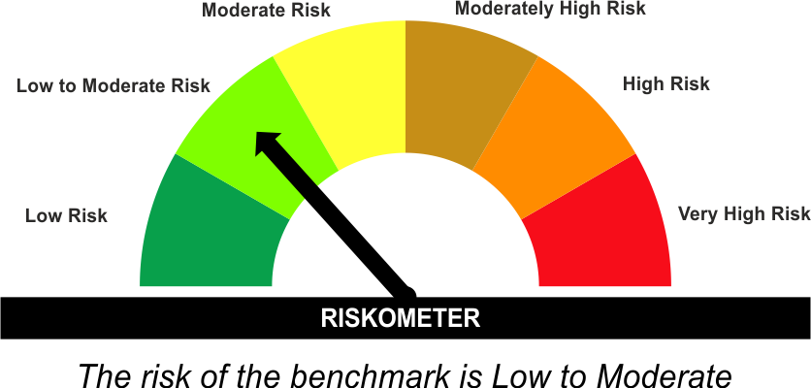
The product is suitable for investors who are seeking* | Scheme Riskometer# | Benchmark Riskometer (as applicable) #
•Generation of reasonable returns over short to medium term. | 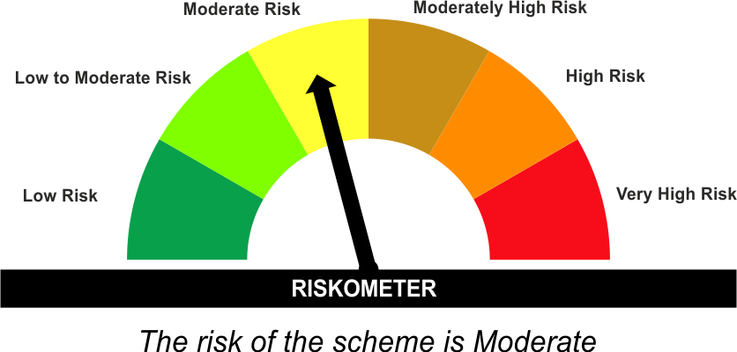 | As per AMFI Tier I Benchmark i . e . CRISIL Short Duration Debt A-II Index
•Investment in Debt securities and money market instruments.

*Investors should consult their financial advisers if in doubt about whether the product is suitable for them.
#The Scheme and Benchmark riskometer disclosed above is latest available riskometer, for any updates please visit the AMC’s website (https://www.licmf.com/downloads/risk-o-meter-disclosure).
Mutual Fund investments are subject to market risks, read all scheme related documents carefully.

Potential Risk Class
Credit Risk | Relatively Low (Class A) | Moderate (Class B) | Relatively High (Class C)
Interest Rate Risk
Relatively Low (Class I)
Moderate (Class II) |  | B-II
Relatively High (Class III)

 | Portfolio Information
Scheme Name : | LIC MF SHORT DURATION FUND
Description (if any) | Short Duration Fund
Annualised Portfolio YTM* : | 7.43
Macaulay Duration | 2.55 Years
Residual Maturity | 2.81 Years
As on (Date) | 31 March 2026
* in case of semi annual YTM, it will be annualised
As the Regular and Direct plans have a common portfolio, the Portfolio yield given above is at the Scheme level

