LDGETF
LIC MF NIFTY 8-13 YR G-SEC ETF | NSE Symbol:LICNETFGSC |  |  |  | Index

Half yearly portfolio statement as on March 31, 2026
Name of the instrument | ISIN | Industry/ rating | Quantity | Market/ fair value (Rounded, Rs. in Lakhs) | Rounded, % to net assets | Yield

Debt Instruments
(a)Listed / Awaiting listing on stock Exchanges
6.48% Government of India | IN0020250091 | SOVEREIGN | 127,650,000.000 | 126,946.39 | 56.06% | 7.14%
6.33% Government of India | IN0020250026 | SOVEREIGN | 50,500,000.000 | 49,806.26 | 21.99% | 7.04%
6.79% Government of India | IN0020240126 | SOVEREIGN | 48,569,500.000 | 49,322.25 | 21.78% | 7.19%
Sub Total |  |  |  | 226,074.90 | 99.83%

(b)Privately Placed/Unlisted
Sub Total |  |  |  | NIL | NIL

(c)Securitised Debt Instruments
Sub Total |  |  |  | NIL | NIL

TOTAL |  |  |  | 226,074.90 | 99.83%

Treps / Reverse Repo
Treps |  |  |  | 236.02 | 0.10%
Sub Total |  |  |  | 236.02 | 0.10%

TOTAL |  |  |  | 236.02 | 0.10%
Net Receivables / (Payables) |  |  |  | 140.53 | 0.07%
GRAND TOTAL |  |  |  | 226,451.45 | 100.00%

i) Securities in default beyond its maturity date: Nil
ii) Total value and percentage of illiquid equity shares as on March 31, 2026: Nil
iii)
 | 2026-03-31 | September 30, 2025
NAV
Regular Plan - Growth Option | 28.4282 | 28.3313
iv) Dividend declared during the half year ended March 31, 2026 under the IDCW option of the Scheme is Nil.
v) No bonus declared during the period ended March 31, 2026.
vi) Total outstanding exposure in derivative instruments as on March 31, 2026 is Nil.
vii) Total market value of investments in Foreign Securities/ American Depositary Receipts/ Global Depositary Receipts/ Overseas ETFs as at March 31, 2026 is Nil.
viii) Average maturity period: 8.79 years
ix) Funds parked in short term deposit as on March 31, 2026: Nil
x) The details of repo transactions of the scheme in corporate debt securities: Nil

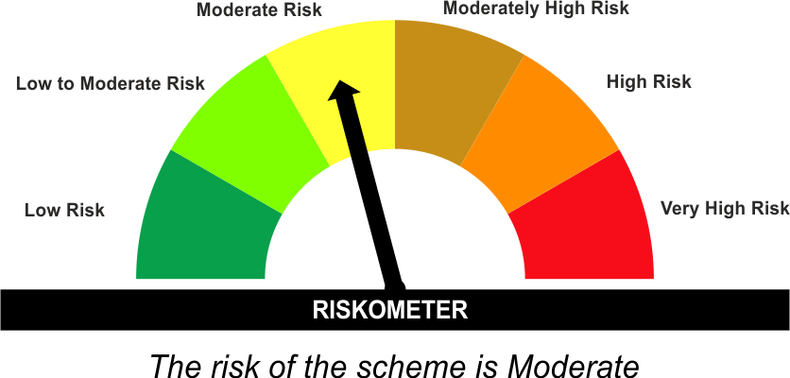
The product is suitable for investors who are seeking* | Scheme Riskometer# | Benchmark Riskometer (as applicable) #
•Medium to long term Income. |  | Nifty 8-13 yr G-Sec Index
•Investment in securities in line with Nifty 8- 13 Yr G-Sec Index to generate comparable returns subject to tracking error. |  | 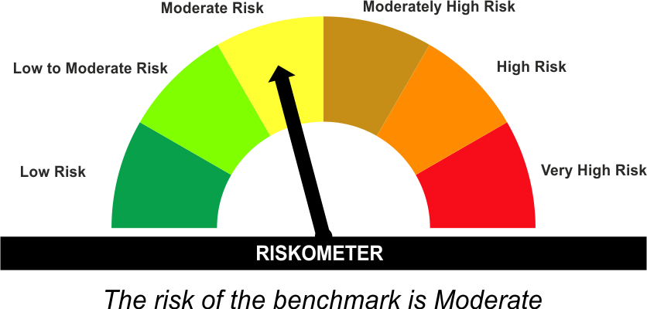

*Investors should consult their financial advisers if in doubt about whether the product is suitable for them.
#The Scheme and Benchmark riskometer disclosed above is latest available riskometer, for any updates please visit the AMC’s website (https://www.licmf.com/downloads/risk-o-meter-disclosure).
Mutual Fund investments are subject to market risks, read all scheme related documents carefully.

Potential Risk Class
Credit Risk | Relatively Low (Class A) | Moderate (Class B) | Relatively High (Class C)
Interest Rate Risk
Relatively Low (Class I)
Moderate (Class II)
Relatively High (Class III) | A-III

 | Portfolio Information
Scheme Name : | LIC MF Nifty 8-13 yr G-Sec ETF
Description (if any) | Other ETFs
Annualised Portfolio YTM* : | 7.11
Macaulay Duration | 6.8 Years
Residual Maturity | 8.79 Years
Debt Index Replication Factor (DIRF) | 94.36%
As on (Date) | 31 March 2026
* in case of semi annual YTM, it will be annualised
As the Regular and Direct plans have a common portfolio, the Portfolio yield given above is at the Scheme level

