Riskometer
In accordance with paragraph 6.16 of Master Circular for Mutual Fund pertaining to ‘Product Labeling in Mutual Funds’, the Riskometer of the Schemes of LIC Mutual Fund and its Benchmarks based on evaluation of portfolio data as on 31st August 2026 is as follow:

Scheme Name | The product is suitable for investors who are seeking* | Riskometer - Scheme | First Tier Benchmark | Riskometer - First Tier Benchmark
LIC MF Liquid Fund | •Income for short term |  | CRISIL Liquid Debt A-I Index | 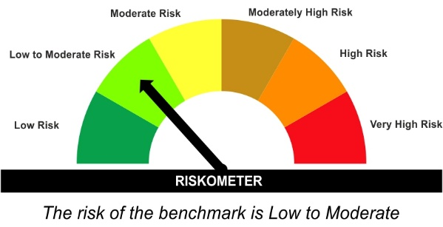
 | •Investment in Debt/Money Market Instruments with maturity of upto 91 days.

LIC MF Nifty 8-13 yr G-Sec ETF BSE Scrip Code: NA NSE Scrip Code: LICNETFGSC | •Medium to long term Income. | 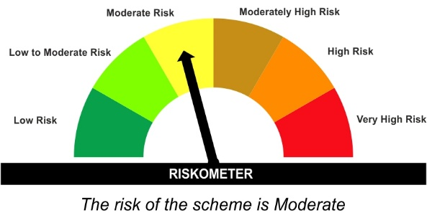 | Nifty 8-13 yr G-Sec Index | 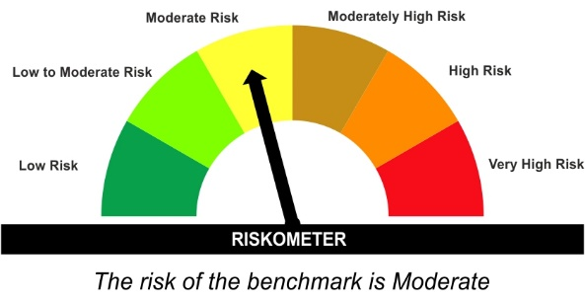
 | •Investment in securities in line with Nifty 8- 13 Yr G-Sec Index to generate comparable returns subject to tracking error.

LIC MF Medium to Long Term Fund (Erstwhile LIC MF Medium to Long Duration Fund) | •Income Over Medium to long term |  | CRISIL Medium to Long Duration Debt A-III Index
 | •To generate income/capital appreciation through investments in Debt / Money Market Instruments

LIC MF Short Term Fund (Erstwhile LIC MF Short Duration Fund) | •Generation of reasonable returns over short to medium term. |  | CRISIL Short Duration Debt A-II Index
 | •Investment in Debt securities and money market instruments.

LIC MF Banking & PSU Debt Fund (Erstwhile LIC MF Banking & PSU Fund) | •Income for medium term capital appreciation with current income. |  | NIFTY Banking & PSU Debt Index A-II | 
 | •An income fund that invests predominantly in debt and money market instruments issued by Banks, Public Sector Undertakings, Public Financial Institutions and Municipal Bonds

LIC MF Gilt Fund | •Long term Capital Appreciation and current income |  | Nifty All Duration G-Sec Index
 | •Investment in sovereign securities issued by Central/ State Government

LIC MF Ultra Short to Short Term Fund (Erstwhile LIC MF Low Duration Fund) | •Income for short term | 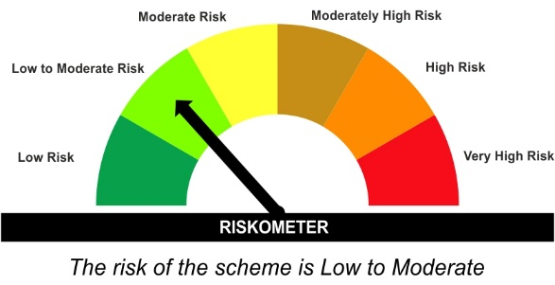 | CRISIL Low Duration Debt A-I Index
 | •A fund that focuses on low duration securities.

LIC MF Ultra Short Term Fund (Erstwhile LIC MF Ultra Short Duration Fund) | •Income over short term. |  | CRISIL Ultra Short Duration Debt A-I Index | 
 | •Investment in Debt & Money Market Instruments such that the Macaulay Duration of the portfolio is between 3 months- 6 months.

LIC MF Overnight Fund | •Income with high levels of safety and liquidity over short term. |  | NIFTY 1D Rate Index | 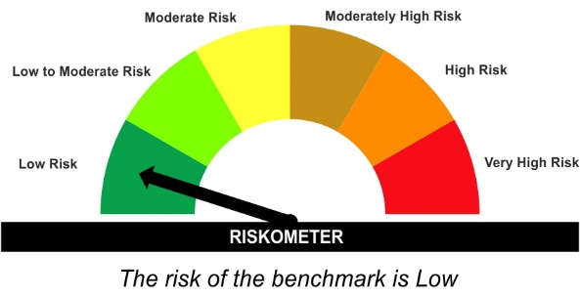
 | •Investment in debt and money market instruments with overnight maturity.

LIC MF Balanced Advantage Fund | •Capital appreciation over a long period of time. | 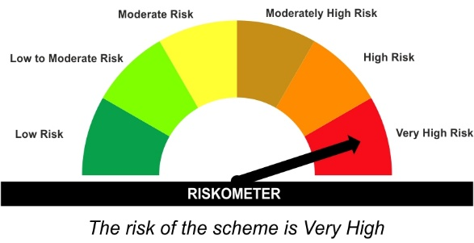 | NIFTY 50 Hybrid Composite Debt 50:50 Index
 | •Investments in a dynamically managed portfolio of equity and equity related instruments, debt and money market instruments. |  |  | 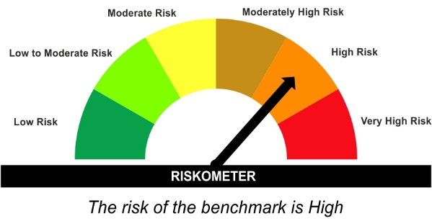

LIC MF Conservative Hybrid Fund | •Medium term capital appreciation with current income |  | CRISIL Hybrid 85+15 - Conservative Index | 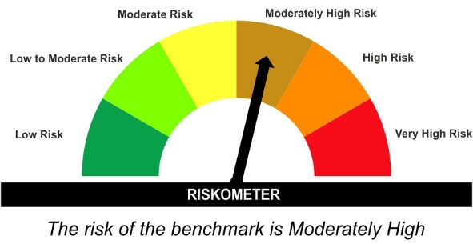
 | •A fund that invests predominantly in debt instruments with marginal equity exposure.

LIC MF Arbitrage Fund | •Income over a short term investment horizon | 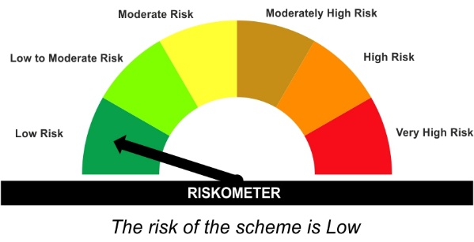 | NIFTY 50 Arbitrage Index | 
 | •Income through arbitrage opportunities between cash and derivative market and arbitrage opportunities within the derivative segment of the equity market

LIC MF Aggressive Hybrid Fund | •Long term capital appreciation with current income |  | CRISIL Hybrid 35+65 - Aggressive Index
 | •A fund that invests both in stocks and fixed income instruments.

LIC MF Children's Fund | •Long term capital appreciation and current income |  | CRISIL Hybrid 35+65 - Aggressive Index
 | •A fund that invests both in stocks and fixed income instruments.

LIC MF Unit Linked Insurance Scheme | •Long term capital appreciation and current income |  | CRISIL Hybrid 35+65 - Aggressive Index
 | •Investment in Equity and equity related securities, fixed income securities (debt and money market securities).

LIC MF Banking & Financial Services Fund | •Capital appreciation over long term. |  | Nifty Financial Services TRI | 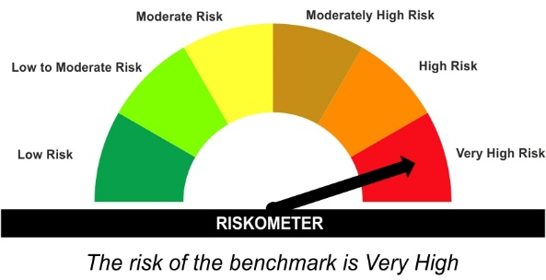
 | •Investing predominantly in portfolio of equity and equity related securities of companies engaged in banking and financial services.

LIC MF Flexi Cap Fund | •Long term capital appreciation |  | Nifty 500 TRI
 | •Investing across Large, Mid & Small Cap stocks.

LIC MF Large Cap Fund | •Long Term Capital Appreciation |  | NIFTY 100 TRI
 | •A Fund that primarily invest in large-cap stock.

LIC MF Infrastructure Fund | •Long Term Capital Growth |  | Nifty Infrastructure TRI
 | •Investment in equity and equity related instruments of companies engaged either directly or indirectly in infrastructure sector.


LIC MF Manufacturing Fund | •Capital appreciation over long term |  | Nifty India Manufacturing TRI
 | • Investment predominantly in equity and equity related instruments of companies following manufacturing theme

LIC MF Nifty 50 Index Fund | •Long Term Capital Growth |  | NIFTY 50 TRI
 | •Investment in equity instrument of respective index stocks subject to tracking error.

LIC MF BSE Sensex Index Fund | •Long Term Capital Growth |  | BSE Sensex TRI
 | •Investment in equity instrument of BSE Sensex index stocks subject to tracking error.

LIC MF Large & Mid Cap Fund | •Long Term Capital Appreciation. |  | Nifty LargeMidcap 250 TRI
 | •A fund that primarily invests in Large and Mid-cap stocks

LIC MF Nifty 100 ETF BSE Scrip Code: 539784 NSE Scrip Code: LICNFNHGP | •Long term investment. |  | NIFTY 100 TRI | 
 | •Investment in equity and equity related securities and portfolios replicating the composition of Nifty 100 Index, subject to tracking errors.

LIC MF ELSS Tax Saver Fund (Erstwhile LIC MF ELSS Tax Saver) | •Long Term Capital Growth |  | Nifty 500 TRI
 | •Investment in equity and equity related securities

LIC MF Nifty 50 ETF BSE Scrip Code: 539480 NSE Scrip Code: LICNETFN50 | •Long term investment. |  | NIFTY 50 TRI
 | •Investment in securities covered by NIFTY 50 Index, subject to tracking errors.

LIC MF BSE Sensex ETF BSE Scrip Code: 539487 NSE Scrip Code: LICNETFSEN | •Long term investment. |  | BSE Sensex TRI
 | •Investment in securities covered by BSE SENSEX, subject to tracking errors.


LIC MF Money Market Fund | •Income over short term |  | NIFTY Money Market Index A-I
 | •Investment in money market instruments with maturity upto one year

LIC MF Multi Cap Fund | •Long term capital appreciation |  | NIFTY 500 Multicap 50:25:25 TRI
 | •Investing in equity and equity related intruments across Large, Mid & Small Cap stocks.

LIC MF Dividend Yield Fund | •Long term capital appreciation |  | Nifty 500 TRI
 | •Investment predominantly in dividend yielding equity and equity related instruments.

LIC MF Focused Fund | •Long term capital appreciation |  | Nifty 500 TRI
 | •Investment in equity & equity related instruments of up to 30 companies across market capitalization

LIC MF Midcap Fund | •Long term capital appreciation |  | Nifty Midcap 150 TRI
 | •Investment predominantly in equity and equity related instruments of Midcap companies.

LIC MF Healthcare Fund | •Long term capital appreciation |  | BSE Health Care TRI
 | •Investment predominantly in equity and equity related instruments of companies engaged in Healthcare & Allied Sectors.

LIC MF Small Cap Fund | •Long term capital appreciation |  | Nifty Smallcap 250 TRI
 | •Investment predominantly in equity and equity related instruments of Smallcap companies.

LIC MF Value Fund | •Long term capital appreciation |  | Nifty 500 TRI
 | •Investment in equity and equity related instruments by following value investment strategy.

LIC MF Equity Savings Fund | •Regular Income & Capital appreciation over Medium to Long term. |  | Nifty Equity Savings Index
 | •Investment in equity and equity related instruments including equity derivatives, arbitrage and debt and money market instruments. |  |  | 

LIC MF Nifty Next 50 Index Fund | •Long Term growth in a passively managed scheme tracking NIFTY Next 50 Index(TRI) |  | Nifty Next 50 TRI
 | •Investments only in and all stocks comprising Nifty Next 50 Index in the same weight of these stocks as in Index with objective to replicate performance of NIFTYNext 50 Index(TRI)

LIC MF Gold Exchange Traded Fund BSE Scrip Code: 533719 NSE Scrip Code: LICMFGOLD | •To replicate the performance of gold in domestic prices with at least medium term horizon. |  | Domestic Price of Gold
 | •Investments in physical gold and gold related instruments / Money Market and other liquid instruments, Mutual Fund Units

LIC MF Gold ETF Fund of Fund | •To replicate returns of LICMF Gold Exchange Traded Fund with at least medium term horizon |  | Domestic Price of Gold
 | •Investments in units of LICMF Gold Exchange Traded Fund/ Money Market and other liquid instruments, Mutual Fund units |  |  | 

LIC MF Nifty Midcap 100 ETF BSE Scrip Code: 544123 NSE Scrip Code: LICNMID100 | •Long term investment. |  | Nifty Midcap 100 TRI
 | •Investment in equity and equity related securities and portfolios replicating the composition of Nifty Midcap 100 Total Returns Index, subject to tracking errors.

LIC MF Multi Asset Allocation Fund | •Capital appreciation over a long period of time. |  | 65% Nifty 500 TRI + 25% Nifty Composite Debt Index + 10% Price of Domestic Gold
 | •Investments in a diversified portfolio of equity & equity related instruments, Debt & Money Market Instruments and Units of Gold ETFs as per asset allocation pattern

LIC MF Consumption Fund | •Capital appreciation over long term |  | Nifty India Consumption Index (TRI)
 | •Investment predominantly in equity and equity related instruments of companies following consumption theme.

LIC MF Technology Fund | •Capital appreciation over long term |  | BSE TECk TRI
 | •Investment predominantly in equity and equity related instruments of technology and technology related companies.

*Investors should consult their financial advisers if in doubt about whether the product is suitable for them.
Mutual Fund investments are subject to market risks, read all scheme related documents carefully.

