LDSTDF
LIC MF SHORT DURATION FUND |  |  |  |  | Index

Fortnightly Portfolio Statement as on July 15,2026
Name of the Instrument | ISIN | Industry / Rating | Quantity | Market/Fair Value (Rounded, Rs. In Lacs) | Rounded, % to Net Assets | Yield

Debt Instruments
(a)Listed / Awaiting listing on stock Exchanges
7.49% National Highways Authority of India ** | INE906B07HG7 | CRISIL AAA | 100.000 | 1,080.92 | 8.32% | 7.14%
7.48% National Bk for Agriculture & Rural Dev. | INE261F08EO7 | CRISIL AAA | 1,000.000 | 1,062.50 | 8.18% | 7.45%
7.34% Small Industries Development Bk of India | INE556F08KS8 | CRISIL AAA | 1,000.000 | 1,056.50 | 8.13% | 7.45%
7.65% GIC Housing Finance Ltd. ** | INE289B07123 | CRISIL AA+ | 1,000.000 | 1,051.07 | 8.09% | 7.76%
7.45% Bharti Telecom Ltd. ** | INE403D08280 | CRISIL AAA | 1,000.000 | 1,028.37 | 7.91% | 8.13%
6.94% Government of India | IN0020260025 | SOVEREIGN | 1,000,000.000 | 1,024.11 | 7.88% | 6.89%
6.36% Government of India | IN0020250141 | SOVEREIGN | 1,000,000.000 | 1,022.60 | 7.87% | 6.56%
8.95% 360 One Prime Ltd. ** | INE248U07FW5 | ICRA AA | 1,000.000 | 1,012.59 | 7.79% | 8.53%
6.78% State Government of Maharashtra | IN2220210073 | SOVEREIGN | 1,000,000.000 | 1,000.51 | 7.70% | 7.12%
6.61% Power Finance Corporation Ltd. ** | INE134E08NS1 | CRISIL AAA | 1,000.000 | 997.72 | 7.68% | 7.29%
8.14% Nuclear Power Corporation ** | INE206D08303 | CRISIL AAA | 50.000 | 528.29 | 4.07% | 7.28%
8.13% Nuclear Power Corporation ** | INE206D08378 | CRISIL AAA | 50.000 | 519.78 | 4.00% | 7.26%
7.37% Indian Railway Finance Corporation Ltd. ** | INE053F08411 | CRISIL AAA | 500.000 | 511.69 | 3.94% | 7.19%
8.1% Aditya Birla Housing Finance Ltd. ** | INE831R07359 | ICRA AAA | 500.000 | 511.21 | 3.93% | 7.79%
Government of India | IN000430C032 | SOVEREIGN | 41,400.000 | 32.37 | 0.25% | 6.75%
Sub Total |  |  |  | 12,440.23 | 95.74%

(b)Privately Placed/Unlisted
Sub Total |  |  |  | NIL | NIL

(c)Securitised Debt Instruments
Sub Total |  |  |  | NIL | NIL

TOTAL |  |  |  | 12,440.23 | 95.73%

Others
Investment in Mutual fund
SBI CDMDF--A2 | INF0RQ622028 |  | 617.774 | 73.47 | 0.57%

TOTAL |  |  |  | 73.47 | 0.57%

Treps / Reverse Repo
Treps |  |  |  | 1,410.46 | 10.85%
Sub Total |  |  |  | 1,410.46 | 10.85%

TOTAL |  |  |  | 1,410.46 | 10.85%
Net Receivables / (Payables) |  |  |  | (929.45) | (7.15%)
GRAND TOTAL |  |  |  | 12,994.71 | 100.00%

** Non Traded Security

i) Securities in default beyond its maturity date: Nil
ii) Total value and percentage of illiquid equity shares as on July 15, 2026: Nil
iii)
 | 2026-07-15 | 2026-06-30
NAV
Regular Plan - Growth Option | 15.3672 | 15.3697
Regular Plan - IDCW Option | 15.3672 | 15.3697
Regular Plan - Weekly IDCW Option | 12.8061 | 12.8589
Regular Plan - Monthly IDCW Option | 15.2675 | 15.2700
Direct Plan - Growth Option | 16.5659 | 16.5633
Direct Plan - IDCW Option | 16.5659 | 16.5633
Direct Plan - Weekly IDCW Option | 16.5637 | 16.5611
Direct Plan - Monthly IDCW Option | 16.5636 | 16.5610
iv) Dividend declared during the month July 15, 2026 under the IDCW Option of the Scheme is as follows:
Option | Month | Rate of dividend per unit | Rate of dividend per unit
 |  | Individual/ HUF | Others
Regular Plan - Weekly IDCW Option | Jul-2026 | 0.0507 | 0.0507
v) No bonus declared during the period ended July 15, 2026.
vi) Total outstanding exposure in derivative instruments as on July 15, 2026 is Nil.
vii) Total market value of investments in Foreign Securities/ American Depositary Receipts/ Global Depositary Receipts/ Overseas ETFs as at July 15, 2026 is Nil.
viii) Average maturity period: 3.01 Years
ix) Funds parked in short term deposit as on July 15, 2026: Nil
x) The details of repo transactions of the scheme in corporate debt securities: Nil

The product is suitable for investors who are seeking* | Scheme Riskometer# | Benchmark Riskometer (as applicable) #
•Generation of reasonable returns over short to medium term. | 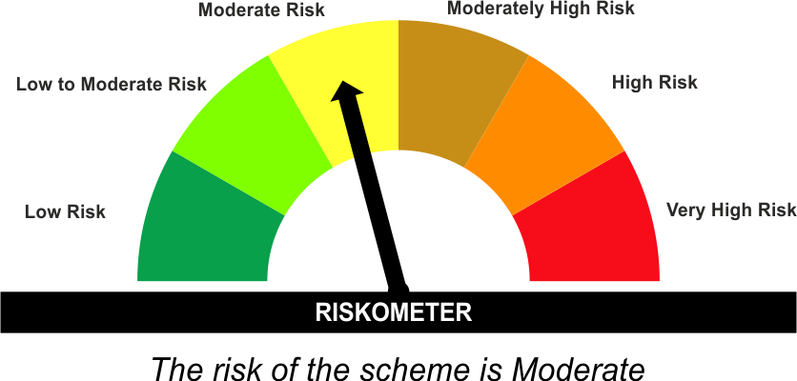 | As per AMFI Tier I Benchmark i . e . CRISIL Short Duration Debt A-II Index
•Investment in Debt securities and money market instruments. |  | 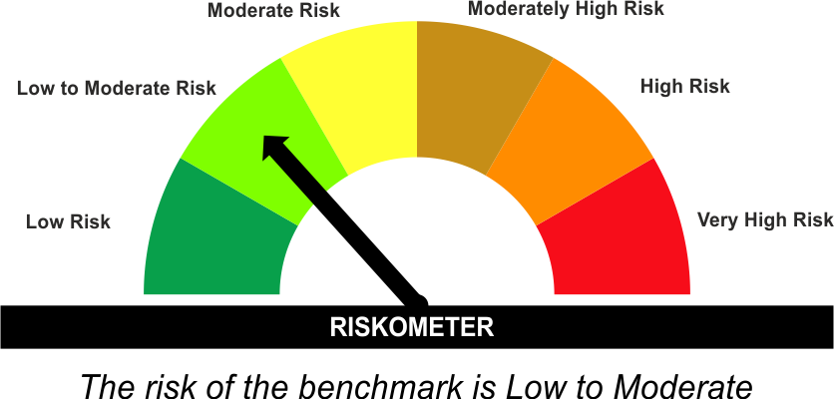

*Investors should consult their financial advisers if in doubt about whether the product is suitable for them.
#The Scheme and Benchmark riskometer disclosed above is latest available riskometer, for any updates please visit the AMC’s website (https://www.licmf.com/downloads/risk-o-meter-disclosure).
Mutual Fund investments are subject to market risks, read all scheme related documents carefully.

Potential Risk Class
Credit Risk | Relatively Low (Class A) | Moderate (Class B) | Relatively High (Class C)
Interest Rate Risk
Relatively Low (Class I)
Moderate (Class II) |  | B-II*
Relatively High (Class III)
*B-II - A Moderate Interest Rate Risk and Moderate Credit Risk.

 | Portfolio Information
Scheme Name : | LIC MF SHORT DURATION FUND
Description (if any) | Short Duration Fund
Annualised Portfolio YTM* : | 7.22
Macaulay Duration | 2.66 Years
Residual Maturity | 3.01 Years
As on (Date) | 15 July 2026
* in case of semi annual YTM, it will be annualised
As the Regular and Direct plans have a common portfolio, the Portfolio yield given above is at the Scheme level

